KKO
KAJIAN KELAYAKAN OPERASI

DAYA LAMA |  |  |  | DAYA BARU
Nama Pelanggan | : | PB PT. OLAHRAGA BOLA SODOK 33KVA |  | Nama Pelanggan | : | PB PT. OLAHRAGA BOLA SODOK 33KVA
Daya Lama (VA) | : | 0 |  | Daya Baru (VA) | : | 33000
Jumlah Fasa | : | 1 | * | Jumlah Fasa | : | 3
Tegangan Sekunder Pengukuran rata-rata (Fasa-Netral) (V) | : | 220 | * | Tegangan Sekunder Pengukuran rata-rata (Fasa-Netral) (V) | : | 380
Beban Pelanggan (A) | : | 0.00 |  | Beban Pelanggan (A) | : | 50.14

SUPLAI TRAFO EKSISTING |  |  |  | SUPLAI TRAFO RENCANA
Nomor Tiang | : | K2-696/A |  | Nomor Tiang | :
Penyulang | : | PWI12 |  | Penyulang | :
Daya | : | 100 | * | Daya | :
Jumlah Fasa | : | 3 | * | Jumlah Fasa | :
Beban TRAFO (Pengukuran Lapangan) |  | 65 |  | Beban TRAFO | : | 50.14
Beban Primer | : | 2.89 | * | Beban Primer | : | 0.00
Beban Sekunder | : | 151.93 | * | Beban Sekunder | : | 0.00
Beban (A) | : | 0.15 |  | Beban (A) | : | 0.00
Prosentase Pembebanan | : | 43% |  | Beban (A) | : | #DIV/0!
 | 0% | 100%
Prosentase Pembebanan | : | 100% |  | Beban (A) | : | 100%

DATA





DATA
Tahun | : | 2023
Discount Rate | : | 12%
Transfer price TM | : | 1,084 |  | Marginal COST maret 2022
Umur ekonomis (tahun) | : | 25.00
Selisih Susut Teknis | : | 2.25%
∑ Daya | : | 33
BP (Rp) | : | 31,977,000
RAB (Rp) | : | 8,084,464
Biaya O&M (2% invest) | : | 161,689.27

Nama Pelanggan | : | PB PT. OLAHRAGA BOLA SODOK 33KVA | *
Golongan Pelanggan | : | B2 | *
Jenis Layanan | : | REGULER | *
Daya Lama (kVA) | : |  | *
Daya Baru (kVA) | : | 33.00 | *
Tarif WBP (Rp/kWh) | : | 1,444.70 | *
Tarif LWBP (Rp/kWh) | : | 1,444.70 | *
BP (Rp/VA) TR | : | 969 | *
Jam Nyala | : | 40 | *

RAB
 |  | PT. PLN ( PERSERO )
 |  | UNIT INDUK DISTRIBUSI JAWA TENGAH & DI YOGYAKARTA |  |  |  |  |  |  |  |  |  |  | RAB TOTAL
 |  | UP3 DEMAK |  |  |  |  |  |  |  |  |  | RAB TOTAL | RAB NON MDU
 | RENCANA ANGGARAN BIAYA (RAB)

 |  |  |  | Pekerjaan | : | PB PT. OLAHRAGA BOLA SODOK 33KVA
 |  |  |  | Lokasi | : | DS KALONGAN
 |  |  |  | Pelaksana | : | PT. PLN (PERSERO) UP3 DEMAK
 |  |  |  | Anggaran | : | SAR 2023

Note !! 1. Saat Pengisian Uraian di mohon memasukan nama material sesuai dengan nama material di harga satuan
2. Mohon di cek kembali saat pengisian volume material
3. Untuk program Sarana Penunjang Fungsi tidak perlu SLO.
 | NO | URAIAN | GOL | SAT | VOL | HARGA SATUAN | BIAYA YANG DIPERLUKAN ( Rp )
 |  |  |  |  |  |  | MDU | HARDWARE | JASA | JUMLAH

 |  |  |  |  |  | 0 | 0 | 0 | 0 | 0
#REF! | I | PEMASANGAN TIANG |  |  |  | 0 | 0 | 0 | 0 | 0
 |  |  |  |  |  | 0 | 0 | 0 | 0 | 0
 |  |  |  |  |  | 0 | 0 | 0 | 0 | 0
 | II | PEMASANGAN KONSTRUKSI |  |  |  | 0 | 0 | 0 | 0 | 0
 |  |  |  |  |  | 0 | 0 | 0 | 0 | 0 | #REF!
 | III | PEKERJAAN PEMASANGAN KONDUKTOR |  |  |  | 0 | 0 | 0 | 0 | 0
 |  |  |  |  |  | 0 | 0 | 0 | 0 | 0 | #REF!
 | IV | PEMASANGAN APP |  |  |  | 0 | 0 | 0 | 0 | 0
 | + | Daya 33.000 VA |  | Unit | 1 | 0 | 0 | 0 | 0 | 0
 | 1 | KWH Elektronik; 3P; 4W; 220/380V; 5(80) A; kls 1 (Pengukuran Langsung) | MDU-KD | Bh | 1 | 1,427,400 | 1,427,400 | 0 | 0 | 1,427,400
 | 2 | Smart Box Langsung Daya 33 kVA MCCB 50 A | MDU-KD | Unit | 1 | 3,564,900 | 3,564,900 | 0 | 0 | 3,564,900
 | 3 | Modem 3G/4G | HDW | Unit | 1 | 1,113,900 | 0 | 1,113,900 | 0 | 1,113,900
 | 4 | NFA2X 4 x 16 mm² | MDU-KD | Mtr | 40 | 13,500 | 540,000 | 0 | 0 | 540,000
 | 5 | Upah Pasang SR + APP 3 Fasa | JASA | Unit | 1 | 106,400 | 0 | 0 | 106,400 | 106,400
 |  |  |  |  |  | 0 | 0 | 0 | 0 | 0
 | + | CM2-11 |  | Unit | 1 | 0 | 0 | 0 | 0 | 0
 | 1 | Ground rod ⅝" x 8" Copper Weld | HDW | Bh | 1 | 185,200 | 0 | 185,200 | 0 | 185,200
 | 2 | Bimetalic Connector 35 - 240 mm² | HDW | Bh | 1 | 47,459 | 0 | 47,459 | 0 | 47,459
 | 3 | Ground wire Cu 16 mm² | HDW | Mtr | 1.5 | 30,000 | 0 | 45,000 | 0 | 45,000
 | 4 | Ground rod & Washer | HDW | Bh | 2 | 9,500 | 0 | 19,000 | 0 | 19,000
 | 5 | Upah Pasang Acc.Jar M2-11 | JASA | Unit | 1 | 56,400 | 0 | 0 | 56,400 | 56,400
 |  |  |  |  |  | 0 | 0 | 0 | 0 | 0
 | V | UPAH BONGKAR |  | 0 |  | 0 | 0 | 0 | 0 | 0
 |  |  |  |  |  | 0 | 0 | 0 | 0 | 0
 |  | SLO |  |  |  | 0 | 0 | 0 | 0 | 0 | #REF!
 | 1 | Sertifikasi Laik Operasi | JASA | Lot | 1 | 2.5% | 138,308 | 35,264 | 4,070 | 177,641
 |  |  |  |  |  |  | 0 | 0 | 0 | 0

 |  | Jumlah MDU - Hardware - Jasa |  |  |  | : | 5,670,608 | 1,445,823 | 166,870 | 7,283,300
 |  | PPN 11% |  |  |  | : | 623,767 | 159,041 | 18,356 | 801,163
 |  | Jumlah Total |  |  |  | : | 6,294,374 | 1,604,864 | 185,226 | 8,084,464 | 201,265,205
 | Terbilang : Delapan Juta Delapan Puluh Empat Ribu Empat Ratus Enam Puluh Empat Rupiah

 | Harga yang dipakai adalah RAB HSS 2023

 |  |  |  |  |  |  |  | Demak, 30Agustus 2023
 |  |  |  |  |  |  |  | ASMAN PERENCANAAN

 |  |  |  |  |  |  |  | VALENTHINA EKA SABTI WONOHUSODO

GAMBAR
 | PT. PLN (PERSERO) UP3 DEMAK

-7.115166, 110.911264 | Keterangan Gambar :
 | No | Nama Material |  |  | Baru |  | Eksisting
 | 1 | Tiang Beton
 | 2 | Tiang Besi
 | 3 | JTM 3 Fasa
 | 4 | JTM 1 Fasa
 | 5 | JTR 1 Fasa Only / UB
 | 6 | JTR 3 Fasa Only / UB
 | 7 | Trafo 1 Fasa
 | 8 | Trafo 3 Fasa
s
s
 | 9 | Fuse Cut Out
 | 10 | ABSW
 | 11 | Vang Net
 | 12 | Schoor
160 kVA
 | 13
s
s
 | Bongkar Pasang Konstruksi :
 | Pasang |  |  |  | Bongkar
 | APP 3P 33KVA |  | UNIT | 1
 | CM2-11 |  | UNIT | 1
100 kVA
APP 3P 33KVA
1 CM2-11
SR 4X16 MM= 40M

K2-696/A
1 C12-350
1 CM2-12
1 CC7
1 G312-A 100KVA
2 CM2-11M
1 CE1-3
1 F1-3

 | Keterangan Tambahan : https://goo.gl/maps/BBmyPAdWKc4wmTC86

 | Golongan
 | No. Gambar |  | 1 |  |  | Lembar |  | dr
 | Gambar dari |  |  |  |  | Skala
 | Perihal:
 | PB PT. OLAHRAGA BOLA SODOK 33KVA

 | Digambar |  | Spv. Rensis
 | Diperiksa |  | Man. Perencanaan
 | Diketahui |  | Man. Perencanaan
 | Disetujui |  | Manager

1 CG 313-A
1 C12-350E
1 CC7
3 CM2-11M
1 CM2-12
1 CM2-12A
1 F1-2
1 CE1-2

RUMAH SAKIT TRIMEDIKA
35
35
JL.PURWODADI-SUKOLILO-PATI

K2-541 B
1 C12-350E
1 CC1-A
1 CM2-12
1 CJ6-T
K2-541 A
1 C12-350E
1 CC8-AN
1 CM2-12
1 F1-2
1 CE1-2
K2-541
1 C12-350E
1 CC1
1 CC7
2 CM5-5
3 Ph 160 kVA

Peta lokasi
PETA LOKASI

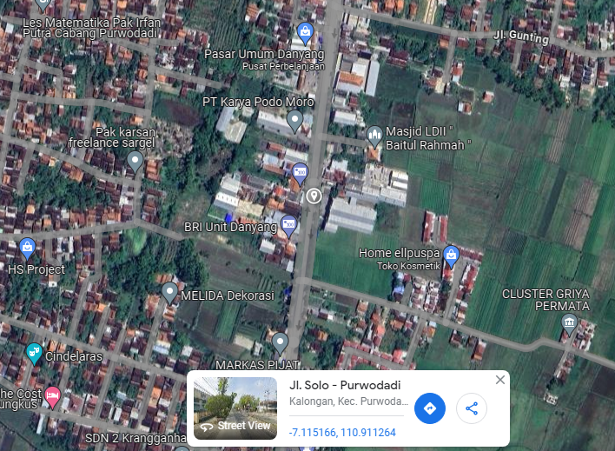

RS TRI MEDIKA KETAPANG

SLD
SINGLE LINE DIAGRAM LOKASI

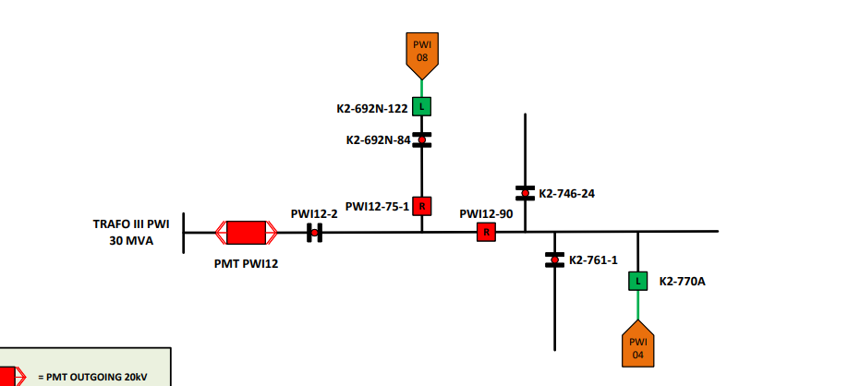

lokasi

